Tunang & Persiapan Kahwin
Persiapan Tunang (5/9/2026) Soft Pink #AisyahyangZuhair
NO. | DESCRIPTION | BUDGETED | ACTUAL | PAID | NOTES
 |  | RM | RM |  |  | kos pihak lelaki |  |  |  |  |  |  |  |  | 6000
Pertunangan
1 | Cincin Tunang (Perempuan) | 1550 | 1550 | Completed |  |  | Tunang | Kos Nikah | Akad Nikah | Sanding | Bertandang
2 | Cincin Tunang (Lelaki) | 20 | 6.19 | Completed | icah bayar 20 |  | 4415.94 | 200 | 9711.86 | 1925 | 5120 |  | gelang | tunang
3 | Set Baju Tunang (P) (Soft Pink) | 300 | 80 | Not Yet | deposit 30, icah bayar 30 | Jumlah | 21372.8 |  |  |  |  |  | 4450 | 1550 | 100 | 1000
4 | Tudung | 40 | 15 | Completed |  | baki | 14272.8 |  |  |  |  | jumlah | 7100
5 | Shawl Organza | 30 | 20 | Completed |  |  |  |  |  |  |  | emas 20g | 13000 | tak masuk dlm anggaran bajet
6 | Crown | 20 | 12.8 | Completed |  |  |  |  |  |  |  | dinar 5 g | 3000
7 | Kasut Tunang (P) | 130 | 40 | Completed
8 | Inai + Kuku | 20 | 25.3 | Completed
9 | Set Baju Tunang Lelaki (L) (Dusty Blue) | 70 | 54.56 | Completed | payment | kos pihak perempuan
10 | Sampin | 100 | 84 | Completed | payment |  | Tunang | Kos Nikah | Akad Nikah | Sanding | Bertandang
11 | Cermin Tunang | 70 | 89.34 | Not Yet |  |  | 2160.63 | - | 3465 | 9817.5 | 2570
12 | Sticker Tunang | 30 |  | Not Yet
13 | Bunga Tangan | 40 | 55 | Completed | icah bayar 55
14 | Bouquet Bunga | 200 | 250 | Not Yet | deposit 100 | Jumlah | 18013.13
15 | Juruandam (MUA) | 600 | 500 | Not Yet | deposit 150
16 | Pelamin | - | - | Completed
17 | Jamuan makan | 500 |  | Not Yet |  |  |  | jumlah ke majilis |  | kurang
18 | Perjalanan pergi dan balik rombongan | 20 | 20 | Not Yet |  | jumlah simpanan lelaki sebulan | 1400 | 11200 |  | -3072.8
19 | Jurufoto | 700 | 700 | Not Yet | booking 200, icah bayar 100
20 | Tapak dulang hantaran P | 150 |  | Not Yet
 |  |  |  |  |  | jumlah simpanan perempuan sebulan | 2000 | 16000 |  | -2013.13
Jumlah |  | 4590
a. | Barang Hantaran (Lelaki sediakan)
1 | Hantaran 1: Sirih Junjung Cincin Tunang | 1585 | 1590 | Not Yet
2 | Hantaran 2: Kek Coklat (Ibu) | 68 | 60 | Not Yet
3 | Hantaran 3: Buah-buahan (Anggur, Naga, Pisang, Mangga) | 68 | 60 | Not Yet
Jumlah |  | 1721 | 1710 |  |  | lelaki | 4415.94
b. | Barang Hantaran (Perempuan sediakan) |  |  |  |  | perempuan | 2397
1 | Hantaran 1: Sirih Junjung Cincin Tunang Frame | 27 | 27 | Completed |  | Jumlah | 6812.94
2 | Hantaran 2: Buah (Naga, Pisang, Mangga, Anggur) | 40 |  | Not Yet |  |  |  |  |  |  | nota icah
3 | Hantaran 3: Coklat (Kinder Bueno, Locker, Beryls) | 50 |  | Not Yet |  |  |  |  |  |  | cincin tunang laki - 20✅️
4 | Hantaran 4: Minyak Rambut (Spray) | 20 | 20 | Completed |  |  |  |  |  |  | booking baju - 130 nikah✅️
5 | Hantaran 5: Manisan (Kek) | 150 | 150 | Not Yet |  |  |  |  |  |  | Bunga tangan - 55✅️
Jumlah |  | 287 |  | Not Yet |  |  |  |  |  |  | Photographer tunang booking - 100 sorang✅️
JUMLAH |  | 5048
 |  |  |  |  |  |  |  |  |  |  | Baju kawen - 1150 sorang (time fitting)
NO. | DESCRIPTION | BUDGETED | ACTUAL | PAID | NOTES
 |  | RM | RM
Sebelum Nikah
1 | Gambar Passport (L) (2 Keping) | 60 |  | Not Yet
2 | Gambar Passport (P) (2 Keping) |  |  | Not Yet
3 | Photostat I/C (L) (2 Keping) | 20 sen |  | Completed
4 | Photostat I/C (P) (2 Keping) | 20 sen |  | Completed
5 | Sijil Kursus Perkahwinan (L) (2 Keping) | 120 | 100 | Completed
6 | Sijil Kursus Perkahwinan (P) (2 Keping) | 70 | 70 | Completed
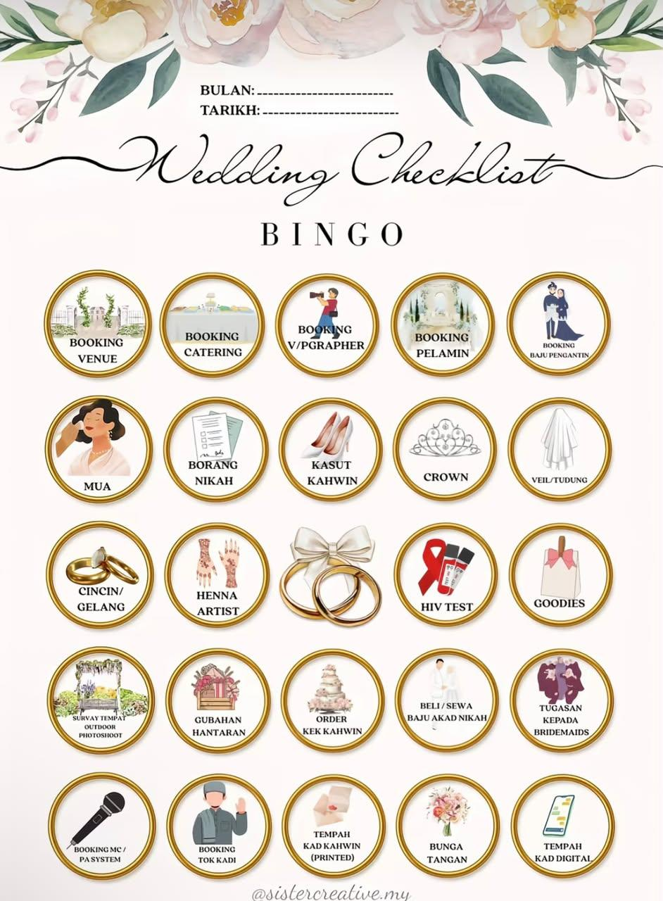
7 | Ujian HIV (L) (2 Keping) | 50 | 1 | Not Yet | Book 6 bln sebelum tarikh nikah (Ada Expired Date)
8 | Ujian HIV (P) (2 Keping) | 50 |  | Not Yet
 | Kos Kebenaran Berkahwin | 20 |  | Not Yet
9 | Kos Pendaftaran Nikah | 20 |  | Not Yet
 | Kos Surat Perakuan Nikah | 40 |  | Not Yet
10 | Kad Pintar Perakuan Nikah | 40 |  | Not Yet
11 | Wang Hantaran | 13000 |  | Not Yet
12 | Kad Jemputan X 2 kenduri |  |  | Not Yet
13 | Gelang Kahwin | 4565 |  | Not Yet
14 | Photostat I/C Wali (2 Keping) |  |  | Not Yet
15 | Photostat I/C Saksi 1 (2 Keping) |  |  | Not Yet
16 | Photostat I/C Saksi 2 (2 Keping) |  |  | Not Yet
17 | Print Borang Nikah Online yang telah diisi |  |  | Not Yet
JUMLAH |  | 500

 | Proses 6 bulan sebelum Majlis
 | 1. Attend Kursus Kahwin
 | 2. Book HIV Test 6 bulan sebelum
 | 3. Daftar Online SSPIM
 | 4. Proceed HIV Test
 | 5. Cop & Sign oleh Penghulu/ Suruhanjaya Sumpah | Borang Kebenaran Kahwin 3 Bulan
 | 6. Pihak Lelaki hantar borang di Pejabat Kadi Kariah
 | 7. Selesai Approval, pass borang kepada pihak wanita
 | 8. Hantar Kedua dua Borang di Pejabat Kadi Kariah Wanita
 | 9. Minta Imam PIC untuk dinikahkan
 | 10. Inform imam tempat nikah, tarikh dan masa nikah.

Senarai Jemputan Majlis Perempu
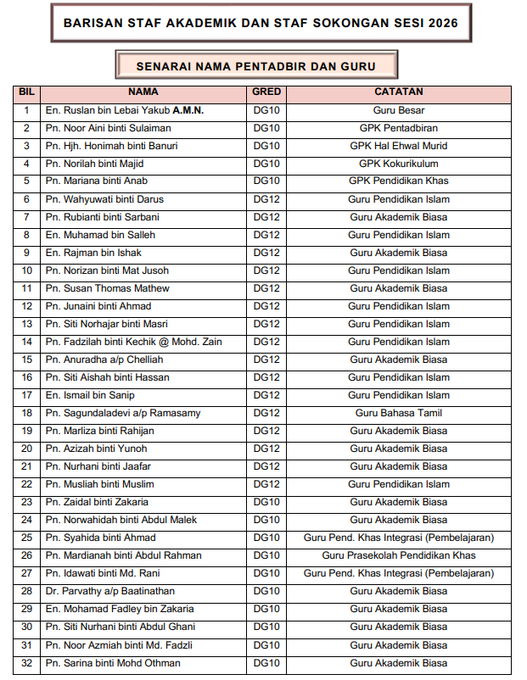
wan
Bil | Nama | Pax | Kontak | Kad Jemputan
1 | GURU DAN AKP SKSL | 102 X2 = 204 | SKSL | Belum
2 | HANNAH | 1 | SKKB | Belum
3 | ASYIKIN | 1 | SKKB | Belum
4 | ANIS | 1 | SKKB
5 | TEAH | 1 | SKKB
6 | ZATA | 1 | SKKB
7 | AIMI | 1 | SAMBEST
8 | AIN | 1 | SAMBEST
9 | AZRA | 1 | SAMBEST
10 | ALIYA | 1 | SAMBEST
11 | JIHAN | 1 | SAMBEST
12 | HANIM | 1 | SAMBEST
13 | JIHUN | 1 | SAMBEST
14 | AQILAH | 1 | SAMBEST
15 | FATIMAH | 1 | SAMBEST
16 | IKHWAN | 1 | SAMBEST
17 | AIDIL | 1 | SAMBEST
18 | AMIER | 2 | SAMBEST
19 | AIN MAI | 1 | SAMBEST
20 | IJAT | 1 | SAMBEST
21 | AZIE | 1 | SAMBEST
22 | IZZRIN | 1 | SAMBEST
23 | NADHILAH | 1 | SAMBEST
24 | IRFAN HAMDI | 1 | SAMBEST
25 | ABROR | 1 | SAMBEST
26 | AZIMINA | 1 | SAMBEST
27 | MAHIRAH | 1 | SAMBEST
28 | WANI ALIAS | 1 | SAMBEST
29 | FATIN | 1 | SAMBEST
30 | SYU | 1 | SAMBEST
31 | MUNA | 1 | SAMBEST
32 | HANAN NIZAM | 1 | SAMBEST
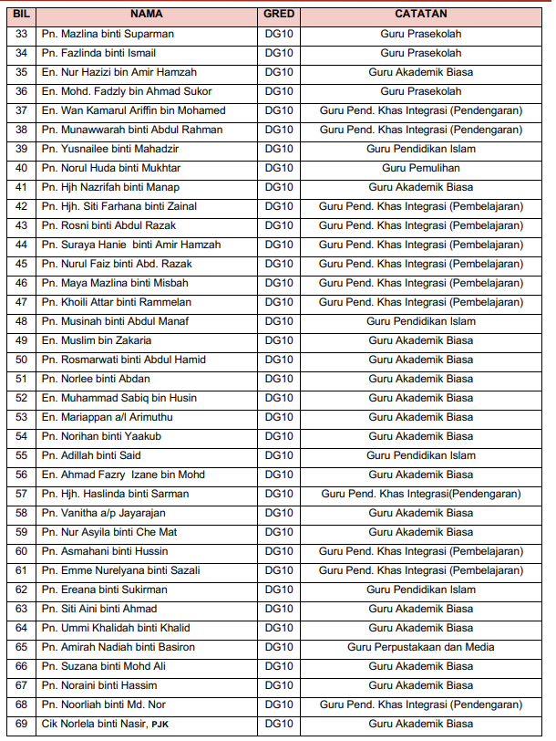
33 | WANI ALIAS | 1 | SAMBEST
34 | AINA | 1 | SAMBEST
35 | ZULAIKHA | 1 | SAMBEST
36 | SYARAFANA | 1 | SAMBEST
37 | AFLIN | 1 | SAMBEST
38 | ALIYA HUSNA | 1 | SAMBEST
39 | ANISAH | 2 | SAMBEST
40 | UMMI | 1 | SAMTTAR
41 | YANA | 1 | SAMTTAR
42 | FAQIHAH | 1 | SAMTTAR
43 | SHAU | 1 | SAMTTAR
44 | ANIS | 1 | SAMTTAR
45 | UMMU HANI | 1 | SAMTTAR
46 | KAK MADI | 1 | IPG
47 | AMAN | 1 | IPG
48 | SHASHA | 1 | IPG
49 | KAK FIQ | 1 | IPG
50 | KAK AIDA | 1 | IPG
51 | SYIFAA | 1 | IPG
52 | AISYAH NADIAH | 2 | IPG
53 | ATHIRAH | 1 | IPG
54 | FIKRIAH | 1 | IPG
55 | KAK AISYAH JAINUDDIN | 3 | IPG
56 | KAK AKMA | 1 | IPG
57 | KAK AZLIA | 1 | IPG
58 | KAK BALQIS | 1 | IPG
59 | KAK HANIS | 1 | IPG
60 | KAK IZZAH AZMI | 1 | IPG
61 | KAK MARDIAH | 2 | IPG
62 | KAK MIZA | 1 | IPG
63 | KAK SARAH | 1 | IPG
64 | KAK SYERA | 2 | IPG
65 | KAK SYUHADA | 2 | IPG
66 | NURIN HUSNA | 2 | IPG
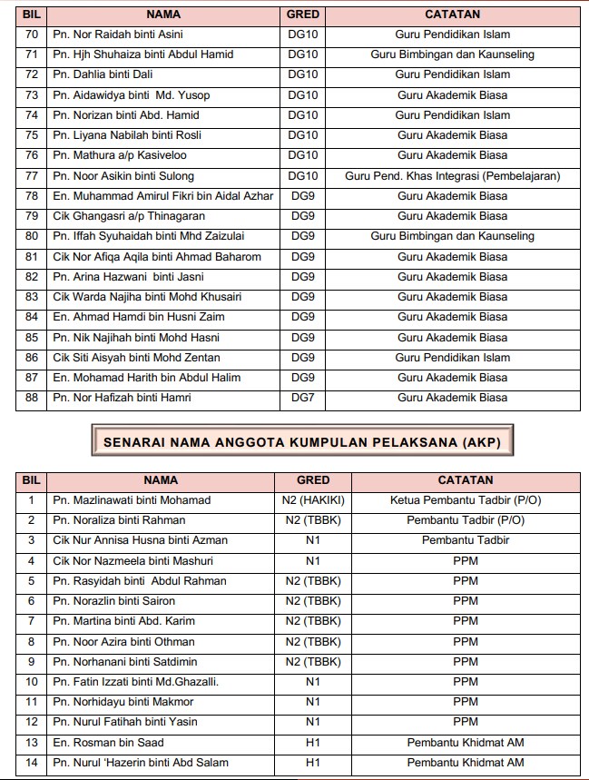
67 | SYARA | 1 | IPG
68 | KAK UMI | 3 | IPG
69 | KAK MUAFA | 2 | SRITI
70 | JAZIMAH | 1 | SRITI
71 | KAK ODAH | 1 | SRITI
72 | ZAHIRAH | 1 | SRITI
73 | TIEYA | 1 | SRITI
74 | KAK ILI | 1 | SRITI
75 | KAK FALAH | 1 | SRAKB
76 | CAH | 1 | UNISZA
77 | JIE | 1 | UNISZA
78 | WANA | 2 | UNISZA
79 | WA | 1 | UNISZA
80 | ARAH | 1 | UNISZA
81 | UMAI | 1 | UNISZA
82 | BAT | 1 | UNISZA
83 | ZYHAH | 1 | UNISZA
84 | JIBAH | 1 | UNISZA
85 | AIN | 2 | DSG
86 | FARHANA |  | PDPP
87 | KAK SHU |  | PDPP
88 |  |  | PDPP
89 |  |  | PDPP
90 |  |  | PDPP
91 |  |  | PDPP
92 |  |  | PDPP
93 |  |  | PDPP
94 |  |  | PDPP
95 |  |  | PDPP
96
97
98
99
100
101
102
103
104
105
106
107
108
109
110
111
112
113
114
115
116
117
118
119
120
121
122
123
124
125
126
127
128
129
130
131
132
133
134
135
136
137
138
139
140
141
142
143
144
145
146
147
148
149
150
151
152
153
154
155
156
157
158
159
160
161
162
163
164
165
166
167
168
169
170
171
172
173
174
175
176
177
178
179
180
181
182
183
184
185
186
187
188
189
190
191
192
193
194
195
196
197
198
199
200
201
202
203
204
205
206
207
208
209
210
202
203
204
205
206
207
208
209
210
211
212
213
214

